Overview
About this document
 | This document is a study material that summarizes the method for incorporating the function which corresponds to "workflow" of TOPAM into EC+.
 | It provides an overall overview of the "workflow" feature and information about the methodology for implementing it in the Salesforce platform.

About the Term "Workflow"
 | The "workflow" of the TOPAM is a function to advance a specific business process across multiple persons in charge.
 | However, in Salesforce, "workflow" refers to the ability to build simple automated processes, not TOPAM.
 | The term "workflow" in TOPAM is referred to as "business flow" in the EC+.

Overview
 | The work flow is a function for advancing a specific work process for a given matter across a plurality of persons in charge.
 | Specifically, the following operation flow is assumed.
 |  | Inquiry on the necessity of examination request
 |  | Inquiry on the necessity of application in the second country
 |  | Inquiry on whether rights need to be maintained ★
 |  | Middle
 |  | Research

 | In order to construct these various business flow functions, a business flow engine is implemented as a common function from which common parts are extracted as a business flow, and business is advanced by using the engine in each individual business flow.
Business Flow A

Contact Person B
Input work
Boss
Approval work
Patent data update

③ Check the input contents
Approval Run
① Input completed
Approval Request Execution
(ii) Assignment of the next task
④ Automatic data processing
Flow Complete

Business Flow
Engine

Structure of the business flow

 | The work flow is defined by a hierarchical structure called "phase" in which "step" in which a specific worker performs work and steps are arranged in a unit of meaning of work (approval process for each department, etc.).
 | Assign a "Task Owner" to each step to perform the required data entry and review.
Invention department review phase

Step:
Assigned To
Assigned to:
Contact person in the department
Step:
Data entry
Assigned to:
Inventor
Step:
Approve / Reject
Assigned to:
Inventor's boss

 | The person in charge of the work performs the necessary work and then executes "action" such as advancing the step and returning to the previous.
 | Dynamically change the actions that can be performed by the role of the logged-in user even by a person other than the person in charge of the work.
 | For example, in the Approve / Reject step shown in the figure above, the inventor's supervisor, who is the person in charge of the work, can execute the Approve or Reject action, and the person in charge of the previous work cannot execute the Approve or Reject action but can execute the Approval Request Withdrawal action.

Step:
Approve / Reject
Assigned to:
Inventor's boss
Next Steps
Approval
Action
Case1
To the contents of entry
No problem.

Data entry
Step
Reject
Action
Case2
To the contents of entry
Problem

Last Worker:
Inventor
Data entry
Step
Case3
To the contents of entry
I want to fix it.
Withdrawal
Action

 | Overview of the business flow
 | Example: Inquiry on the necessity of a review request
Start

Issue Identification Phase

Step of sending inquiry

Sent to the Invention Department

Invention department review phase
Sent to the intellectual property department
Assign Contact Step

Send
Remand

Decision on necessity and approval request step
Reject
Withdrawal
Send
Approval / Rejection (1)

Approval
Reject

Approve / Reject ②

Approval
Return to the previous phase

Intellectual property department review phase
Return to the previous phase
Verification Steps

Send
Reject
Withdrawal

Approval / Rejection (1)

Approval
Reject

Approve / Reject ②

Approval

Intellectual property department / flow completion phase
Flow Complete

Implementation policy
 | The following are developed to realize the business flow function in EC +.
 | No | Development factor | Description
 | 1 | Business Flow Work Components | A UI that allows users to perform assigned tasks in a business flow. Patents (or other objects) It is built into the screen and allows you to enter the necessary information and perform actions. -> Build it as a Lightning WEB Component that can be incorporated into Lightning Page.
 | 2 | Business Flow Engine | A group of common functions that extract the parts that are common to the business flow. It consists of the following elements: Business flow definition object: A custom object definition for setting necessary for business flow construction. Business flow execution information object: An object definition of transaction data for managing progress information of an active business flow. Business flow progress module: A function for progressing a business flow according to the setting of a business flow definition object.
 | 3 | Individual business flow | A specific individual business flow is constructed using a business flow engine. It consists of the following elements: Definition records created in the business flow definition object A screen flow in which a screen to be displayed for each step is set ・ Business flow specific objects and functions (LWC and logic) as needed
 | 4 | Work Queue List | A feature that allows users to see the progress of a running business flow.
 | 5 | Flow Information | Patents (or other objects) Can be built into the screen to check the flow information that worked on the project
 | 6 | Bundle execution screen | A screen for executing a business flow in a bundle. Batch data entry and batch action execution are possible for the business flow of the same person in charge and status.

 | The workflow feature takes advantage of custom objects, screen flows, etc. that can be built on the Salesforce platform.
 | * | One of the standard features of Salesforce that allows you to build flows across multiple people is called "flow orchestration", but this has a yearly limit on how much flow can run.
 |  | Since the conditions do not meet the requirements of this time, it was decided to build the function by itself.

Business Flow Components
Business Flow Work Components
Overview
 | Object that drives the flow of patents, etc. A component that is built into the screen.
 | Data entry and step progression of the business flow are performed.
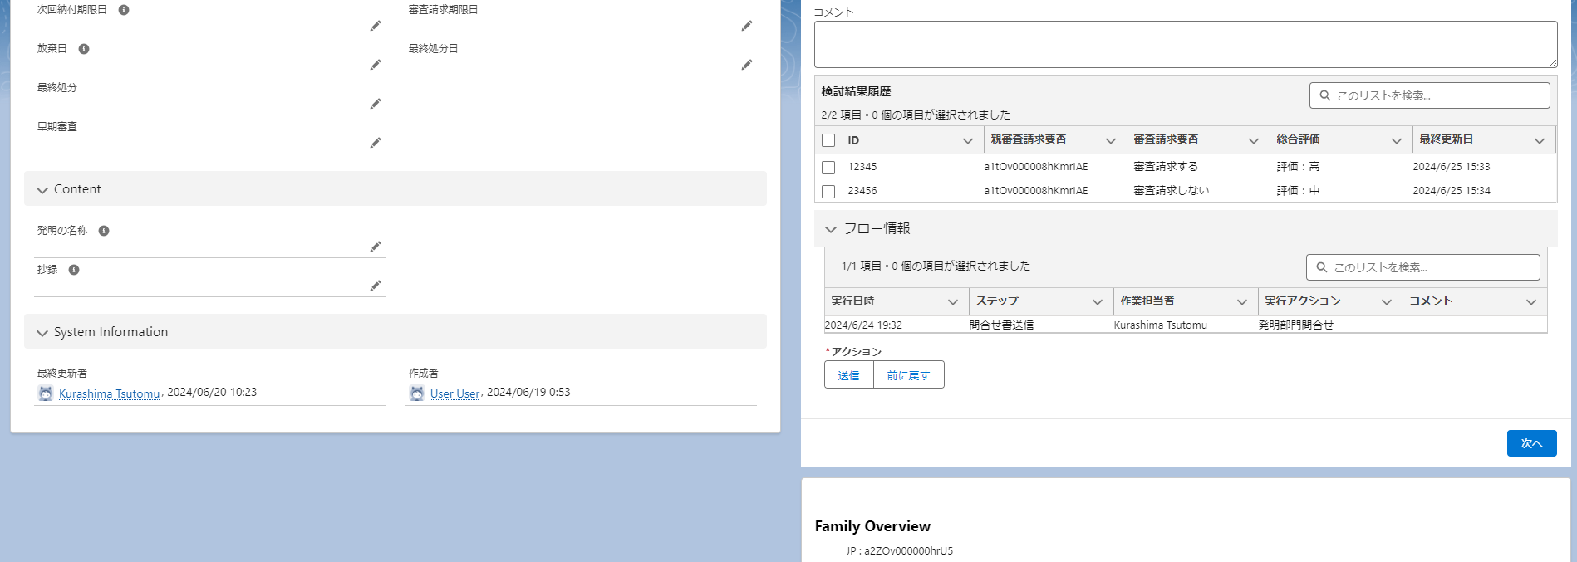
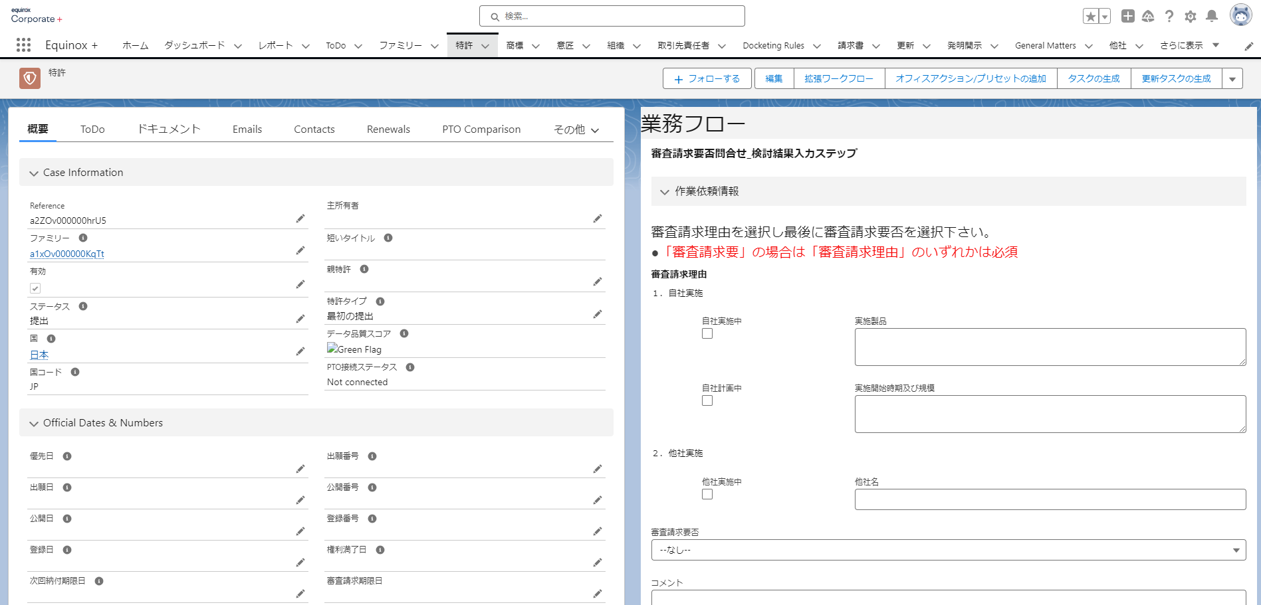

 |  |  | If there is a work flow being executed for the case and the login user is assigned the work flow, the current step information of the work flow is displayed.
 |  |  | If there is no work assigned, "No work assigned" is displayed.

 |  |  | The contents to be actually displayed are determined by the "work contents" information included in the step information.
 |  |  | Specifically, it specifies the "screen flow" of the Salesforce standard function.

Structure
 | Operation flow screen 1: Operation information input / action selection screen

(1) Flow progress
 |  | You can see the current phase step status.

(b) Business information input and reference section

 |  | Data input and confirmation are performed for each individual flow.
 |  | The content varies depending on the type of work flow (inquiry on the necessity of examination request, intermediate, etc.).

③ Flow information section
 |  | Select the execution history and action of the flow.
 |  | Flow execution history
 |  | → Execution history table of actions in the flow. They are sorted in descending order of execution date and time.
 |  | - Action selection
 |  | A list of actions that the user can select in the step. Select one of these and click Next.
④ Next button

 |  | ・ Next button
 |  | Check the input as necessary, and if there is no problem, move to the transmission screen.

 | Operation Flow Screen 2: Send Screen
 | Appears when you click "Next" on the Business Information Entry / Action Selection screen and the entry check is OK.

④ Transmission information section

 |  | ・ Action to be executed
 |  | The action selected on the previous screen is displayed
 |  | Next Step
 |  | The next step is displayed.
 |  | ・ Next person to be in charge
 |  | Enter the person responsible for the next step. Not displayed when the person in charge cannot be changed, such as when returned.
 |  | ・ Expiration date
 |  | Set a deadline for the next task.
 |  | A default expiration date set for each step is initialized.
⑤ Flow operation button
 |  | ・ Comments

Business Flow Engine
Business Flow Engine
Overview
 | A group of common functions that extract the parts that are common to the business flow.
 | It consists of the following elements:
 | Business flow definition object: A custom object definition for setting necessary for business flow construction.
 | Business flow execution information: transaction data for managing progress information when the flow is actually started
 | Business flow progress module: A function for progressing a business flow according to the setting of a business flow definition object.

Business flow definition object
 | A collection of custom Salesforce objects that hold configuration information for the business flow engine to drive business flow flows.
 | The elements of phases, steps and actions in the business flow are organized in their respective hierarchical structures.
Basic business flow definition
→ Overall settings for each work flow
Business flow name, number of phases

Phase Definition
→ Settings for each phase of the business flow
Phase name, number of steps in the phase

Step Definition
→ Setting for each step of the work flow
Action definition (* 2)
→ Actions that can be performed by the person in charge at each step

 | Basic business flow definition
 |  | The following information is held in the business flow definition basic.
 |  | No | Item | Contents |  |  | Remarks
 |  | 1 | Business Flow Label | Business Flow Label
 |  | 2 | Number of Phases | Total number of phases in the business flow |  |  | Count in the aggregate data
 |  | 3 | Default Expiration Date | Default work due date for the entire business flow |  |  | Specify the number of days relative to the business flow start date. Ex. Default cutoff date = 5, create step on 6/1 ⇒ Cutoff date is 6/6
 |  | 4 | Reminder date | The date of the reminder of the entire business flow |  |  | The number of days relative to the deadline date is used for the judgment. Ex. Due date = 6/10, remind notice date = 3 ⇒ send notice on 6/7.

 | Phase Definition
 |  | The phase definition holds the following information:
 |  | No | Item | Contents |  |  | Remarks
 |  | 1 | Phase Label | Phase Label
 |  | 2 | Flow of Target Business | Business flow linking the phases |  |  | Refer to the business flow definition base
 |  | 3 | Phase Number | Phase number within the business flow
 |  | 4 | Number of steps | Total number of steps in phase |  |  | Count in the aggregate data
 |  | 5 | Default Expiration Date | Default work due date for this phase |  |  | Specify the number of days relative to the phase creation date. Ex. Default cutoff date = 5, create step on 6/1 ⇒ Cutoff date is 6/6
 |  | 6 | Reminder date | The date of the reminder of the phase. |  |  | The number of days relative to the deadline date is used for the judgment. Ex. Due date = 6/10, remind notice date = 3 ⇒ send notice on 6/7.

 | Step Definition
 |  | The step definition holds the following information.
 |  | No | Item | Contents |  |  | Remarks
 |  | 1 | Step Label | Step display label
 |  | 2 | Target Phase | The phase to which the step is linked. |  |  | As a reference to phase definitions
 |  | 3 | Step # | Step number within the phase
 |  | 4 | Default Operator | Contact information to default to the contact for the step |  |  | Select in the Category
 |  | 5 | Default Expiration Date | Default work due date for this step |  |  | Specify the number of days relative to the step creation date. Ex. Default cutoff date = 5, create step on 6/1 ⇒ Cutoff date is 6/6
 |  | 6 | Screen flow | Screen flow information displayed in the step |  |  | Specify the API reference name for the screen flow
 |  | 7 | Reminder date | The date of the reminder of the step. |  |  | The number of days relative to the deadline date is used for the judgment. Ex. Due date = 6/10, remind notice date = 3 ⇒ send notice on 6/7.

 | Action Definition
 |  | The action definition holds the following information:
 |  | No | Item | Contents |  |  | Remarks
 |  | 1 | Action Label | Display label for the action
 |  | 2 | Target Step | Reference information for the step that displays the action
 |  | 3 | Order of Display | Order in which actions are displayed
 |  | 4 | Display condition category | A partition that determines whether an action is visible by state. |  |  | Multiple selections are allowed, and must be displayed if null.
 |  | 5 | Common division | Is it displayed regardless of the type of business flow or step? |  |  | Save, Discuss, Reroute, Force Destroy
 |  | 6 | Action Type | Type of action to process (*)
 |  | 7 | Next Steps | Next step information after the action is executed

★ Problem
The total amount of each action type shall be finalized after all the business flow requirements are extracted.
 |  | * About the action type
 |  | The type of the action. The content of the step execution processing is branched according to the type.
 |  | ・ | Go to Next
 |  | ・ | Repeat |  |  |  | ★ Action that TOPAM has + action that I wanted TOPAM (only for Tsuka style?)
 |  | ・ | Move backward one step
 |  | ・ | Return to the previous phase
 |  | ・ | Action Execution
 |  | ・ | Forced termination |  |  |  | Destruction of ★← TOPAM, Confirmation of forced destruction is required.
 |  | ・ | No progress (*)

 |  | * About the action without progress
 |  | → The following actions are processed but the flow does not proceed.
 |  | ・ | Save | → Only save the data entered in the screen flow.
 |  | ・ | Reroute | → Add or delete steps or phases
 |  | ・ | Discussion | → ★ Consider in 33731
 |  | ・ | Mail forwarding | → ★ Consider in 33731

Business flow execution information
 | A collection of custom Salesforce objects that hold transactional data for the business flow engine to manage flow progression.
 | Data is accumulated according to the progress of the business flow.
 | It consists of a number of hierarchical structures as follows.
Business flow execution information
→ Manage the progress of the entire work flow

Phase execution information
→ Manage phase progress

Step execution information
→ Control of step progress and work input values of the person in charge
 |  |  |  |  |  |  |  | Status = Step?

 | Business flow execution information
 |  | The following information is held in the business flow execution information.
 |  | No | Item | Contents |  |  | Remarks
 |  | 1 | Business flow definition | Configuration information for the workflow |  |  | Reference to the Business Flow Definition Base
 |  | 2 | Current Phase | Current phase number |  |  | Number of the active phase in a formula
 |  | 3 | Progress | Percentage of phase numbers in service for all phases |  |  | Specify in a formula or rollup item
 |  | 4 | Expiration Date | Expiration date for the entire business flow

 | Phase execution information
 |  | The phase execution information holds the following information.
 |  | No | Item | Contents |  |  | Remarks
 |  | 1 | Phase Definition | Configuration information for the phase |  |  | References to Phase Definitions
 |  | 2 | Flow execution information | Business flow execution information |  |  | Reference to the business flow execution information
 |  | 3 | Current Step Number | Current step number |  |  | Specify the number of the running step by a mathematical formula.
 |  | 4 | Progress | Percentage of step numbers running for all steps |  |  | Specify in a formula or rollup item
 |  | 5 | Last Phase | Phase information that was run before the phase |  |  | Null for the first phase
 |  | 6 | Completed | Phase completed? |  |  | The phase is
 |  | 7 | Expiration Date | The date of expiry of the phase

 | Step work execution information
 |  | The step execution information holds the following information.
 |  | No | Item | Contents |  |  | Remarks
 |  | 1 | Step Definition | Configuration information for the step
 |  | 2 | Phase execution information | Phase execution information |  |  | References to Phase Execution Information
 |  | 3 | Previous Step | Step execution information before the step is executed |  |  | References to Step Execution Information
 |  | 4 | Person in charge of work | Information on the person responsible for the step |  |  | Reference to a user object
 |  | 5 | Expiration Date | The date by which the step is due |  |  | Send reminders before the deadline
 |  | 6 | Action Taken | Action when the task is performed |  |  | Information entered for the contact. Reference to the action definition.
 |  | 7 | Next person in charge | Person in charge of the next step |  |  | Information entered for the contact. The item that is a reference to the user object.
 |  | 8 | Next Due Date | The date by which the next step is due |  |  | Information entered by the contact
 |  | 9 | Comment | Person in charge of the next step |  |  | Information entered by the contact
 |  | 10 | Completed | Is the step complete? |  |  | Set TRUE after action
 |  | 11 | Date and time of execution | Date and time of action |  |  | Set the date and time the action was executed after it was executed

Business flow progress module
 | A module for progressing a business flow according to a business flow definition object.
 | Build with Salesforce flows.
 | (1) Workflow: Startup flow
 |  | A flow that is invoked by specifying the business flow of interest. Specifically, a "business flow execution information" record is created, and the first phase step is created as a record.
 |  | Build with Salesforce's automated startup flow.

Business Flow Startup Flow
Specify the desired business flow and call the flow.
Start
Retrieves the specified business flow definition and
Create a record of the business flow execution object.
The first phase information of the business flow definition is obtained.
Create a record for the phase execution information object.
The first step information of the phase definition is obtained, and the following process is executed:
Create a record of the step execution information object.
End

Business flow execution information
Records
Phase execution information
Records
Step execution information
Records

 | ② Step progress flow
 |  | Flow that is triggered when an action is performed by an assignee in a step. Starts when step execution information is completed.
 |  | Build with Salesforce record-triggered flows.

Step progression flow
For the action performed
Processing branch by type
Go to Next
Get next step information
Determine if the next step is a different phase
In the same phase
Generate Next Step Information
End

Move backward one step
Return to the previous phase
ACQUIRE RETURN DESTINATION STEP INFORMATION

Another Phase
Mark the current phase complete
Performs the specified action to obtain next step information
End
Action Execution
End
Start
Action Execution

Repeat
Create next step information from current step information
End

End the flow
Forced termination
End

★ Problem
The total amount of each action type shall be finalized after all the business flow requirements are extracted.

 | ③ Phase progress flow
 |  | Fires on phase completion and generates the next phase information.
 |  | Build with Salesforce record-triggered flows.
Phase Progression Flow

Phase Complete
Start
Retrieve the following phase information and click
Create a record for the phase execution information object.
The first step information of the phase definition is obtained, and the following process is executed:
Create a record of the step execution information object.
End

Phase execution information
Records
Step execution information
Records

 | ④ Reminder notification flow |  |  |  | ★ Do you need the equivalent of TOPAM mail master / mail delivery master?
 |  | Run on time daily and due soon |  |  |  | (Whether or not to send an e-mail, the recipient of the e-mail, and the e-mail text
 |  | Build with Salesforce's schedule-triggered flow.

Remind Notification Flow
Run on time every day
Start
Extract the information on the execution of the work flow that has reached the reminder notification date (*) and notify the person in charge by e-mail.
Extract phase execution information that has reached the reminder notification date (*) and notify the person in charge by e-mail.
Extract the step execution information that has reached the reminder notification date (*) and notify the person in charge by e-mail.
End

 |  |  |  |  | * Define the operation flow on the deadline date. Set the reminder notification date to |  |  |  | * Define the phase on the deadline date. Set the reminder notification date to | * Set the step definition and reminder notification date to
 |  |  |  |  | Date subtracted |  |  |  | Date subtracted | Date subtracted

